Study
Count of prizeShare
727

Sum of prizeShare | Total Prize Share
1644 | 1644

Count of laureateID | Total Count Of Laureate ID
727 | 727

Count of motivation
727

category Vs Prize share
Row Labels | Sum of prizeShare
chemistry | 401
economics | 184
medicine | 533
peace | 6
physics | 520
Grand Total | 1644

Category Vs Prize Share

Top Born country Vs Prize Share
Row Labels | Count of prizeShare | Row Labels | Count of prizeShare
Austria | 15 | Austria | 15
Canada | 18 | Canada | 18
France | 40 | France | 40
Germany | 70 | Germany | 70
Japan | 24 | Japan | 24
Poland | 18 | Poland | 18
Russia | 19 | Russia | 19
Sweden | 17 | Sweden | 17
Switzerland | 15 | Switzerland | 15
the Netherlands | 15 | the Netherlands | 15
United Kingdom | 77 | United Kingdom | 77
USA | 262 | USA | 262
Top 10 Born Country By Prize Share
Grand Total | 590

prize Share By Years
 |  |  | year | Prize Share
Row Labels |  |  | 1902-1911 | 36
1902-1911 |  |  | 1912-1921 | 23
1912-1921 |  |  | 1922-1931 | 35
1922-1931 |  |  | 1932-1941 | 32
1932-1941 |  |  | 1942-1951 | 42
1942-1951 |  |  | 1952-1961 | 51
1952-1961 |  |  | 1962-1971 | 63
1962-1971 |  |  | 1972-1981 | 85
1972-1981 |  |  | 1982-1991 | 72
1982-1991 |  |  | 1992-2001 | 83
1992-2001 |  |  | 2002-2011 | 93
2002-2011 |  |  | 2012-2021 | 94
2012-2021 |  |  | 2022-2031 | 18
2022-2031 |  | 727
Prize Share By 10 Years
Row Labels | Count of prizeShare
1902-1911 | 36
1912-1921 | 23
1922-1931 | 35
1932-1941 | 32
1942-1951 | 42
1952-1961 | 51
1962-1971 | 63
1972-1981 | 85
1982-1991 | 72
1992-2001 | 83
2002-2011 | 93
2012-2021 | 94
2022-2031 | 18

Top 10 Org. country vs prize
Row Labels | Count of prizeShare | Organization Country | Prize Share
Denmark | 9 | Denmark | 9
France | 39 | France | 39
Germany | 69 | Germany | 69
Japan | 17 | Japan | 17
Russia | 12 | Russia | 12
Sweden | 18 | Sweden | 18
Switzerland | 24 | Switzerland | 24
the Netherlands | 10 | the Netherlands | 10
United Kingdom | 93 | United Kingdom | 93
USA | 383 | USA | 383
Top 10 Org Country Based on Prize

Gender Vs Sum of PrizeShare
Row Labels | Sum of prizeShare
female | 72
male | 1572
Grand Total | 1644

Gender Vs Sum Of Prize Share

OrgCountry Vs Lau ID& prize
Row Labels | Count of laureateID | Sum of prizeShare
Denmark | 9 | 17
France | 39 | 85
Germany | 69 | 126
Japan | 17 | 51
Russia | 12 | 32
Sweden | 18 | 34
Switzerland | 24 | 58
the Netherlands | 10 | 17
United Kingdom | 93 | 197
USA | 383 | 921
Grand Total | 674 | 1538

Dashboard
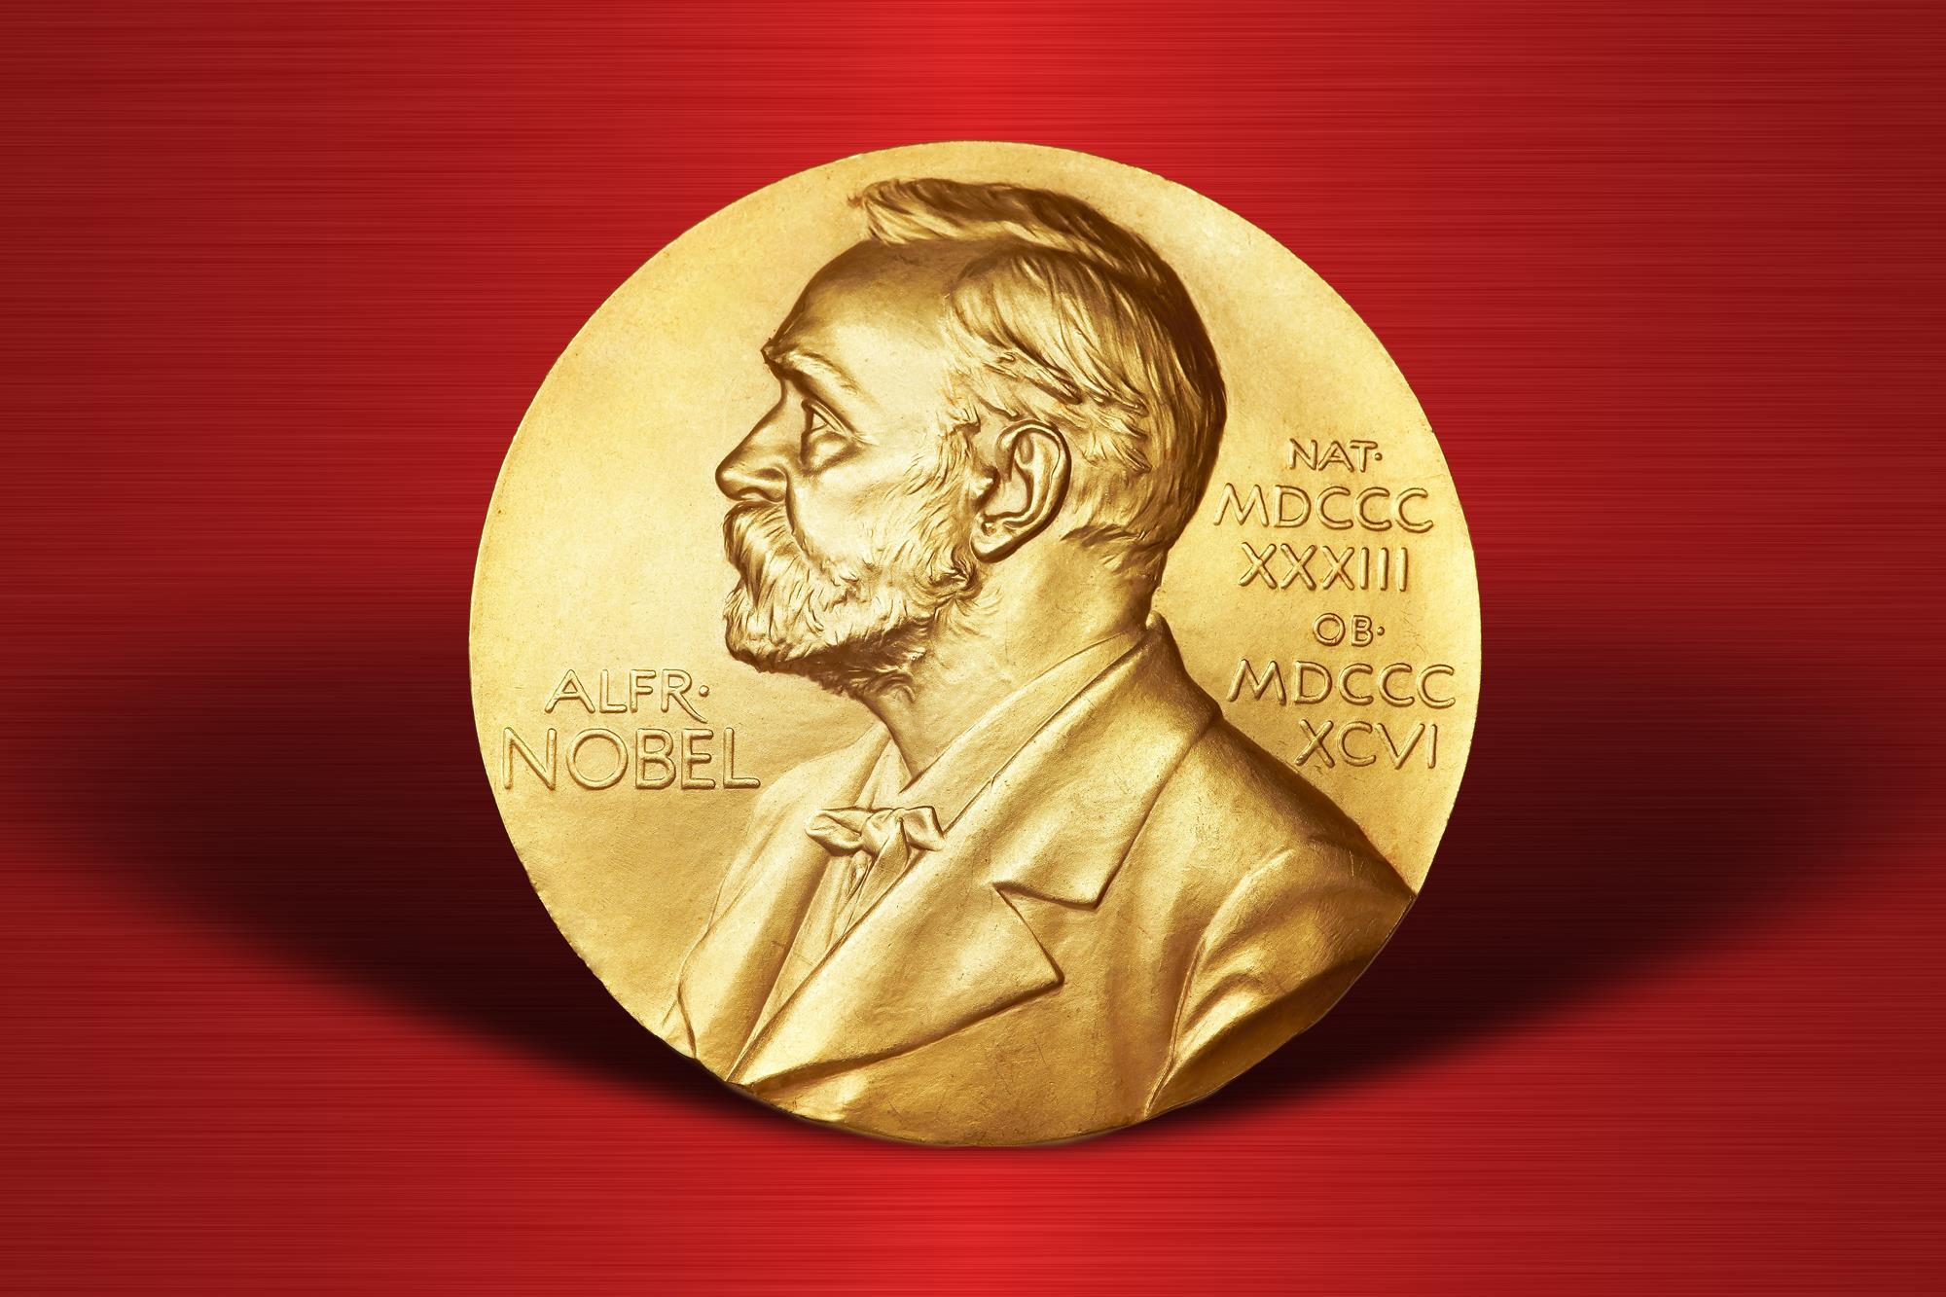
Nobel laureates
Count Of Prize Share
Total Number Of Laureates
Indias Top Nobel Laureates
-Success is Not Final, Failure is Not Fatal: it is the Courage to Continue that Counts. ...

1644
727

 | Total
chemistry | 401
economics | 184
medicine | 533
peace | 6
physics | 520
Prize Share Based On Category
 | Austria | Canada | France | Germany | Japan | Poland | Russia | Sweden | Switzerland | the Netherlands | United Kingdom | USA
Count of prizeShare | 15 | 18 | 40 | 70 | 24 | 18 | 19 | 17 | 15 | 15 | 77 | 262
Top 10 Born Country Based on Prize Share
Prize Share By 10 Years

 | Total
female | 28
male | 699
Prize Share Based On Gender
 | Count of laureateID | Sum of prizeShare
Denmark | 9 | 17
France | 39 | 85
Germany | 69 | 126
Japan | 17 | 51
Russia | 12 | 32
Sweden | 18 | 34
Switzerland | 24 | 58
the Netherlands | 10 | 17
United Kingdom | 93 | 197
USA | 383 | 921
Count Of Laureate ID Vs Sum Of Prize Shared
 | Prize Share
Denmark | 9
France | 39
Germany | 69
Japan | 17
Russia | 12
Sweden | 18
Switzerland | 24
the Netherlands | 10
United Kingdom | 93
USA | 383
Top 10 Org Country Based On Prize Shared

